Actual_PBI_DISPLAY
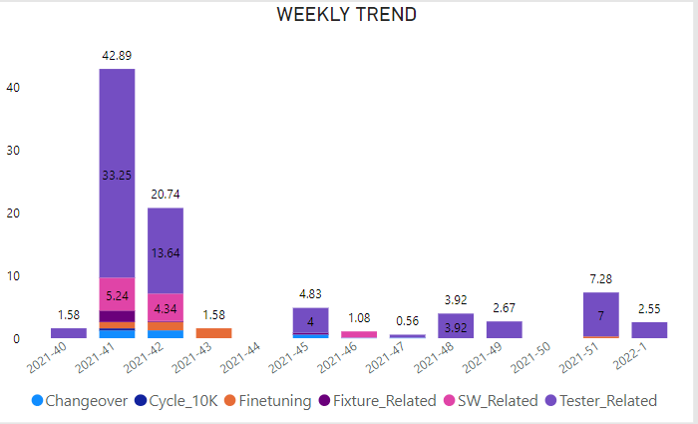
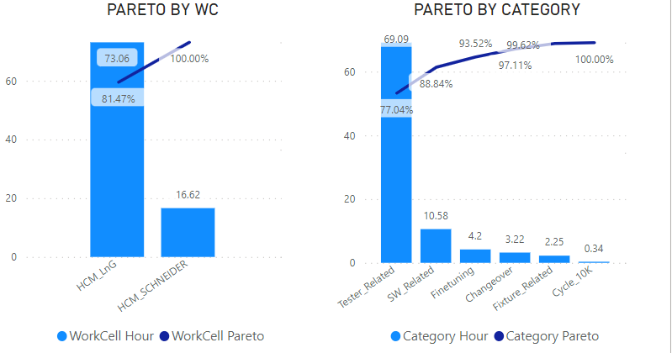




PBI_DISPLAY
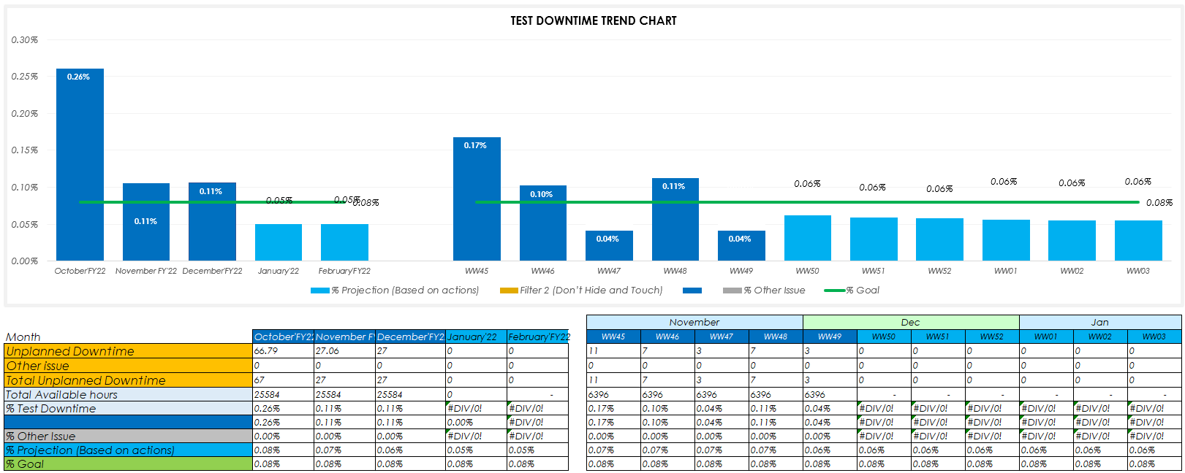
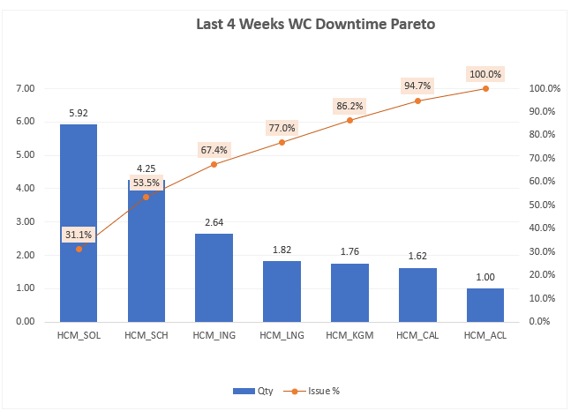
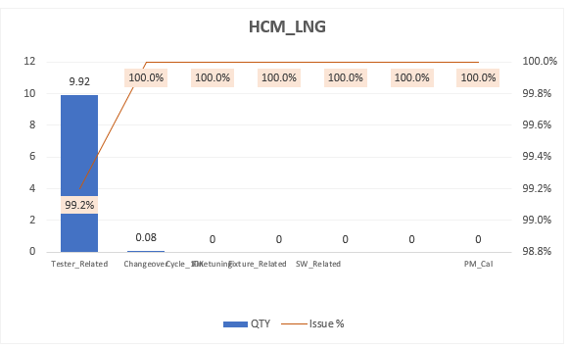

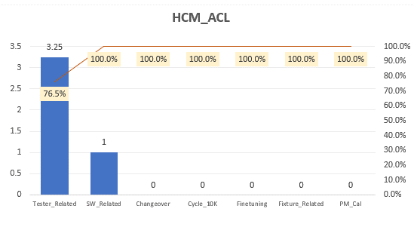

Q1
TEST DOWNTIME TREND CHART
 | % Projection (Based on actions) |  | Filter 2 (Don’t Hide and Touch) |  |  |  | % Other Issue |  | % Goal
October'FY22 | 0.08% | April 'FY21 |  | October'FY22 | 0.26% | October'FY22 | 0.00% | October'FY22 | 0.08%
November FY'22 | 0.07% | May 'FY21 |  | November FY'22 | 0.11% | November FY'22 | 0.00% | November FY'22 | 0.08%
December'FY22 | 0.06% | June 'FY21 |  | December'FY22 | 0.11% | December'FY22 | 0.00% | December'FY22 | 0.08%
January'22 | 0.05% | July 'FY21 |  | January'22 | 0.00% | January'22 | 0.00% | January'22 | 0.08%
February'FY22 | 0.05% | August 'FY21 |  | February'FY22 | 0.00% | February'FY22 | 0.00% | February'FY22 | 0.08%
WW45 | 0.07% | WW23 |  | WW45 | 0.17% | WW45 | 0.00% | WW45 | 0.08%
WW46 | 0.07% | WW24 |  | WW46 | 0.10% | WW46 | 0.00% | WW46 | 0.08%
WW47 | 0.07% | WW25 |  | WW47 | 0.04% | WW47 | 0.00% | WW47 | 0.08%
WW48 | 0.07% | WW26 |  | WW48 | 0.11% | WW48 | 0.00% | WW48 | 0.08%
WW49 | 0.06% | WW27 |  | WW49 | 0.04% | WW49 | 0.00% | WW49 | 0.08%
WW50 | 0.06% | WW28 |  | WW50 | 0.00% | WW50 | 0.00% | WW50 | 0.08%
WW51 | 0.06% | WW29 |  | WW51 | 0.00% | WW51 | 0.00% | WW51 | 0.08%
WW52 | 0.06% | WW30 |  | WW52 | 0.00% | WW52 | 0.00% | WW52 | 0.08%
WW01 | 0.06% | WW31 |  | WW01 | 0.00% | WW01 | 0.00% | WW01 | 0.08%
WW02 | 0.06% | WW32 |  | WW02 | 0.00% | WW02 | 0.00% | WW02 | 0.08%
WW03 | 0.06% | WW33 |  | WW03 | 0.00% | WW03 | 0.00% | WW03 | 0.08%

 |  |  |  |  |  | November |  |  |  | Dec |  |  |  | Jan
Month | October'FY22 | November FY'22 | December'FY22 | January'22 | February'FY22 | WW45 | WW46 | WW47 | WW48 | WW49 | WW50 | WW51 | WW52 | WW01 | WW02 | WW03
Unplanned Downtime | 66.79 | 27.06 | 27 | 0 | 0 | 11 | 7 | 3 | 7 | 3 | 0 | 0 | 0 | 0 | 0 | 0
Other issue | 0 | 0 | 0 | 0 | 0 | 0 | 0 | 0 | 0 | 0 | 0 | 0 | 0 | 0 | 0 | 0
Total Unplanned Downtime | 67 | 27 | 27 | 0 | 0 | 11 | 7 | 3 | 7 | 3 | 0 | 0 | 0 | 0 | 0 | 0
Total Available hours | 25584 | 25584 | 25584 | 0 | - | 6396 | 6396 | 6396 | 6396 | 6396 | - | - | - | - | - | - | 25584
% Test Downtime | 0.26% | 0.11% | 0.11% | #DIV/0! | #DIV/0! | 0.17% | 0.10% | 0.04% | 0.11% | 0.04% | #DIV/0! | #DIV/0! | #DIV/0! | #DIV/0! | #DIV/0! | #DIV/0!
 | 0.26% | 0.11% | 0.11% | 0.00% | #DIV/0! | 0.17% | 0.10% | 0.04% | 0.11% | 0.04% | #DIV/0! | #DIV/0! | #DIV/0! | #DIV/0! | #DIV/0! | #DIV/0!
% Other Issue | 0.00% | 0.00% | 0.00% | #DIV/0! | #DIV/0! | 0.00% | 0.00% | 0.00% | 0.00% | 0.00% | #DIV/0! | #DIV/0! | #DIV/0! | #DIV/0! | #DIV/0! | #DIV/0!
% Projection (Based on actions) | 0.08% | 0.07% | 0.06% | 0.05% | 0.05% | 0.07% | 0.07% | 0.07% | 0.07% | 0.06% | 0.06% | 0.06% | 0.06% | 0.06% | 0.06% | 0.06%
% Goal | 0.08% | 0.08% | 0.08% | 0.08% | 0.08% | 0.08% | 0.08% | 0.08% | 0.08% | 0.08% | 0.08% | 0.08% | 0.08% | 0.08% | 0.08% | 0.08% |  | 1.54

Q2
Q2

Last 4 Weeks WC Downtime Pareto
HCM_LNG
HCM_ACL

 |  |  |  | HCM_LNG |  |  | HCM_ACL
 |  |  |  | Issue | QTY | Issue % | Issue | QTY | Issue %
 |  |  |  | Tester_Related | 9.92 | 99.2% | Tester_Related | 3.25 | 76.5%
 |  |  |  | Changeover | 0.08 | 100.0% | SW_Related | 1 | 100.0%
 |  |  |  | Finetuning | 0 | 100.0% | Changeover | 0 | 100.0%
 |  |  |  | Cycle_10K | 0 | 100.0% | Cycle_10K | 0 | 100.0%
 |  |  |  | Fixture_Related | 0 | 100.0% | Finetuning | 0 | 100.0%
 | TOP WC | Qty | Issue % | SW_Related | 0 | 100.0% | Fixture_Related | 0 | 100.0%
 | HCM_SOL | 5.92 | 31.1% | PM_Cal | 0 | 100.0% | PM_Cal | 0 | 100.0%
 | HCM_SCH | 4.25 | 53.5% |  | 10 |  |  | 4.25
 | HCM_ING | 2.64 | 67.4%
 | HCM_LNG | 1.82 | 77.0%
 | HCM_KGM | 1.76 | 86.2%
 | HCM_CAL | 1.62 | 94.7%
 | HCM_ACL | 1.00 | 100.0%
 |  | 19.01

Q3
DOWNTIME CATEGORY

TESTER RELATED

Close loop Improvement Plan
Work Week | Workcell | Downtime Category | Downtime Details | Problem Description | Root Cause | Containment Action | Corrective & Preventive Action | % Impact vs Overall | ECN/PCN/NA (if any) | FIA / NA (if Any) | Responsible | Commit Date | Status
HCM_LNG
HCM_ACL

Tester Realated

